Overview
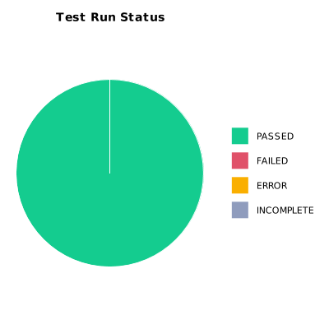
EXECUTION SUMMARY
Execution ID | 8
Status | PASSED
Organization | SCAE - Project
Team | Mercurio Systems
Project | SCAEW - Web Application
By | Juan Bernardo Camacho Tirado
Start Time | 12/08/2020 00:55:16 +00:00
Duration | 0:21:02.298

TEST RESULTS
Total test runs | 100
Passed | 100
Failed | 0
Error | 0
Incomplete | 0

